Guideliness 3-col-book
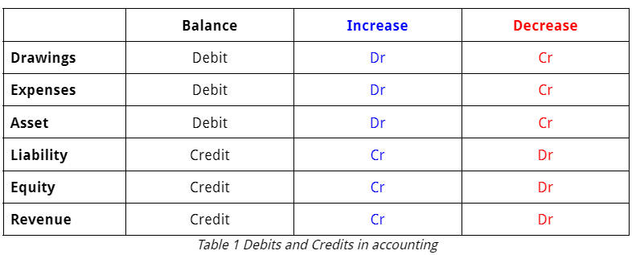
https://sites.google.com/a/tges.org/accountancy/cash-book-1
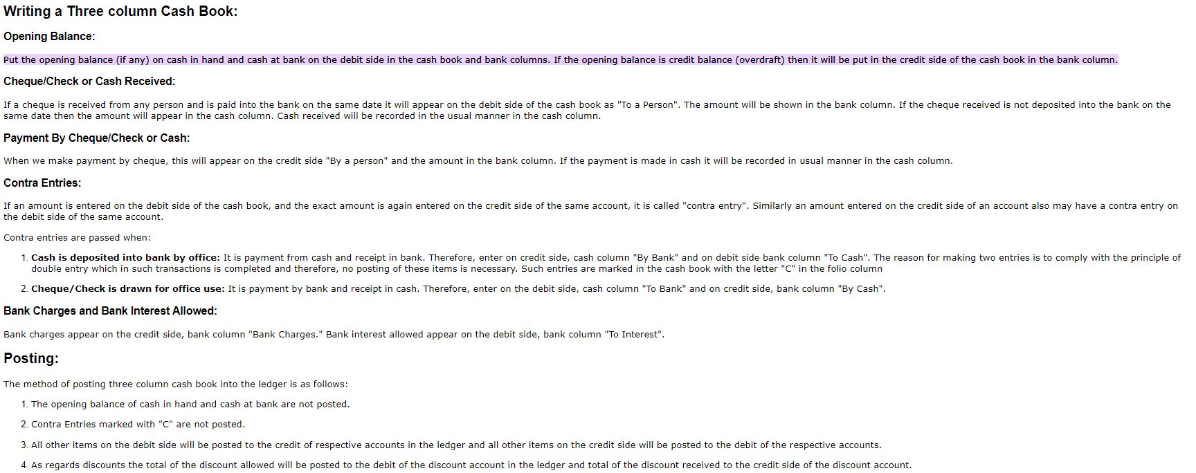

Format for 3 column book
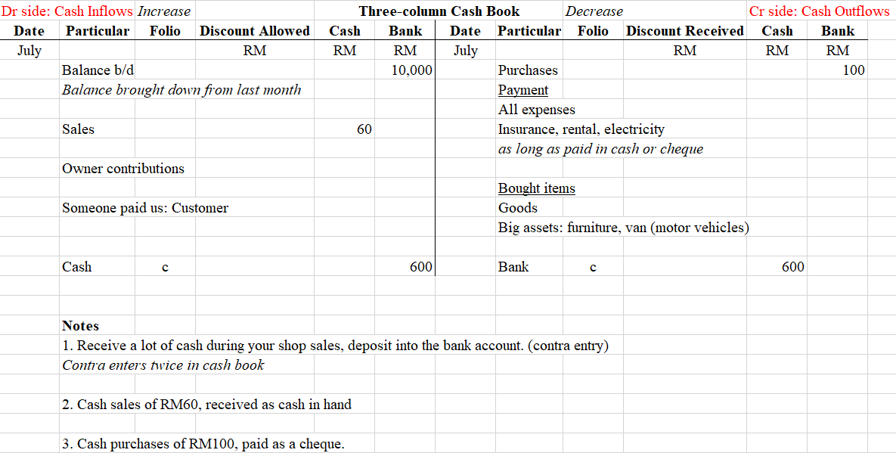

Refer to this so that you know which particular to put in Dr or Cr in General Ledger

SA-Q4a
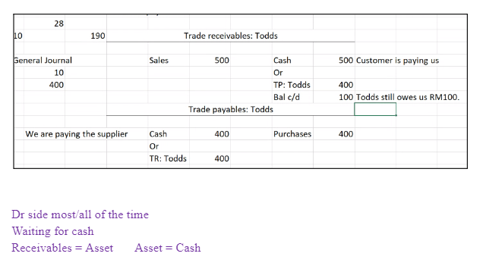
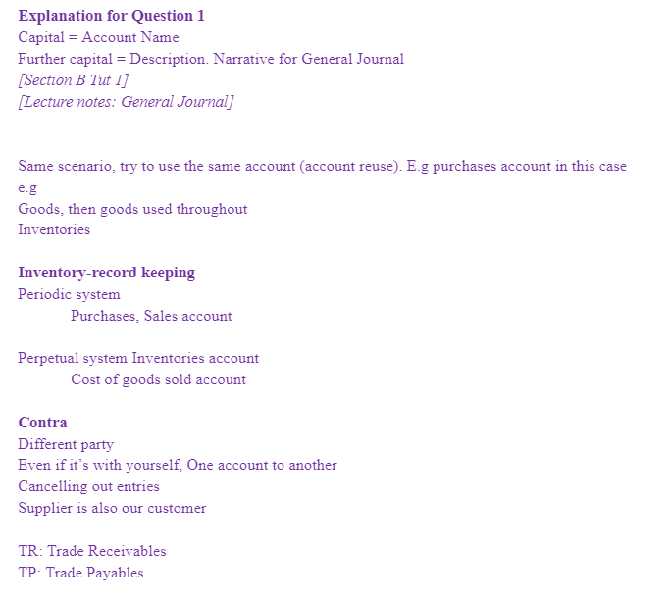
Dr side: Cash Inflows |  | Increase |  | Three-column Cash Book |  |  |  |  | Decrease | Cr side: Cash Outflows
Date | Particular | Folio | Discount Allowed | Cash | Bank | Date | Particular | Folio | Discount Received | Cash | Bank
May |  |  | RM | RM | RM | May |  |  | RM | RM | RM
1 | Capital |  |  | 800 | 1,000 | 2 | Purchases |  |  |  | 400
9 | Sales |  |  | 80 |  | 2 | Rates |  |  |  | 40
15 | Capital |  |  |  | 1000 | 10 | Transport |  |  | 12
16 | TR: Todds |  | 30 |  | 570 | 14 | Stationery |  |  | 16
30 | Cash | c |  |  | 400 | 20 | Drawings |  |  | 120
31 | TR: Kenneth |  | 25 |  | 475 | 24 | Purchases |  |  | 28
 |  |  |  |  |  | 25 | TP: Zen & Co |  | 10 |  | 190
 |  |  |  |  |  | 28 | Transport |  |  | 10
 |  |  |  |  |  | 30 | Bank |  |  | 400
 |  |  |  |  |  | 31 | Containers |  |  | 5
 |  |  |  |  |  | 31 | Furniture |  |  |  | 200
 |  |  |  |  |  | 31 | TP: Samuel |  | 35 |  | 665
 |  |  |  |  |  | 31 | Bal c/d |  |  | 289 | 1950
 |  |  | 55 | 880 | 3445 |  |  |  | 45 | 880 | 3445
June
1 | balance b/d |  |  | 289 | 1950

